FEB2638D23

HDFC FMP 2638D February 2023 (A Close Ended Income Scheme With Tenure 2638 Days, A Relatively High Interest Rate Risk and Relatively Low Credit Risk) |  |  |  |  |  |  |  |  |  | Income | Hybrid
Portfolio as on 31-Dec-2023

 | ISIN | Coupon (%) | Name Of the Instrument | Industry+ /Rating | Quantity | Market/ Fair Value (Rs. in Lacs.) | % to NAV | Yield | ~YTC (AT1/Tier 2 bonds)
 | DEBT INSTRUMENTS
 | (a) Listed / awaiting listing on Stock Exchanges
 | Government Securities (Central/State)
| | IN000330C042 |  | GOI STRIPS - Mat 190330^ | Sovereign | 8,346,000 | 5,350.71 | 38.57 | 7.4135
| | IN000929C041 |  | GOI STRIPS - Mat 190929^ | Sovereign | 3,626,000 | 2,413.86 | 17.40 | 7.3777
| | IN000230C028 |  | GOI STRIPS - Mat 220230^ | Sovereign | 3,042,000 | 1,960.74 | 14.13 | 7.4135
| | IN000430C016 |  | GOI STRIPS - Mat 260430^ | Sovereign | 2,547,600 | 1,621.35 | 11.69 | 7.4134
| | IN0020200070 | 5.79 | 5.79% GOI MAT 110530 | Sovereign | 1,500,000 | 1,397.32 | 10.07 | 7.2736
| | IN000130C012 |  | GOI STRIPS - Mat 020130 | Sovereign | 1,037,500 | 675.40 | 4.87 | 7.4137
| | IN000330C059 |  | GOI STRIPS - Mat 120330^ | Sovereign | 500,000 | 321.00 | 2.31 | 7.4135
 | Sub Total |  |  |  |  | 13,740.38 | 99.04
 | Total |  |  |  |  | 13,740.38 | 99.04
 | MONEY MARKET INSTRUMENTS
 | TREPS - Tri-party Repo
 |  |  | TREPS - Tri-party Repo |  |  | 117.31 | 0.85 | 6.7703
 | Sub Total |  |  |  |  | 117.31 | 0.85
 | Total |  |  |  |  | 117.31 | 0.85
 | OTHERS
 | Net Current Assets
 |  |  | Net Current Assets |  |  | 15.53 | 0.11
 | Sub Total |  |  |  |  | 15.53 | 0.11
 | Total |  |  |  |  | 15.53 | 0.11

 | Grand Total |  |  |  |  | 13,873.22 | 100.00
| | Top Ten Holdings
 | + Industry Classification as recommended by AMFI
 | £ - Sponsor Company
 | ** Thinly Traded/ Non-Traded Securities (Equity) as on December 29, 2023
 | ^ Non-Traded Securities (Debt) as on December 29, 2023
 | # Non Sensex Scrips
 | @ Less than 0.01%.
 | ~ YTC i.e. Yield to Call is disclosed at security level only for Additional Tier 1 Bonds and Tier 2 Bonds issued by Banks as per AMFI Best Practices Notification 135/BP/91/2020-21 read with SEBI circular SEBI/HO/IMD/DF4/CIR/P/2021/034

 | Portfolio Classification by Asset Class(%)
 | G-Sec, G-Sec STRIPS |  | 99.04
 | Cash, Cash Equivalents and Net Current Assets |  | 0.96
 | Portfolio Classification by Rating Class(%)
 | Sovereign |  | 99.04
 | Cash, Cash Equivalents and Net Current Assets |  | 0.96

 | Notes :
 | 1) NAV History
 | NAVs per unit (Rs.) | December 29, 2023 | November 30, 2023
 | IDCW Option | 10.7716 | 10.6407
 | IDCW Option - Direct Plan | NA | NA
 | Quarterly IDCW Option | 10.0438 | 10.1353
 | Quarterly IDCW Option - Direct Plan | 10.0446 | 10.1406
 | Growth Option | 10.7716 | 10.6407
 | Growth Option - Direct Plan | 10.7953 | 10.6620

 | Dividend History - Dividend declared during the month ended December 31, 2023 :
 |  |  |  | Dividend Per Unit (Rs) for
 | Plan Name | Record Date | Nav as on Record Date | Individuals and HUF | Others
 | Quarterly IDCW Option | 26-Dec-2023 | 10.2540 | 0.2159 | 0.2159
 | Quarterly IDCW Option - Direct Plan | 26-Dec-2023 | 10.2612 | 0.2226 | 0.2226

 | Bonus History - Bonus declared during the month ended December 31, 2023: Nil

 | 2) Total below investment grade or default provided for and its percentage to NAV : Nil
 | 3) Total investments in Foreign Securities / Overseas ETFs / ADRs / GDRs : Nil
 | 4) Repo in Corporate Debt : Nil
 | 5) Total outstanding exposure in Derivative Instruments as on Dec 31, 2023 : Nil
 | 6) Annualised Portfolio YTM : 7.39%
 | 7) Macaulay Duration : 2181.1 Days
 | 8) Residual Maturity (Average Portfolio Maturity-other than equity investments) : 2221.18 Days
 | 9) IDCW stands for Income Distribution cum Capital Withdrawal
 | 10) Riskometer based on Scheme Portfolio and Portfolio Benchmark "NIFTY Long Duration Debt Index" as on Dec 31, 2023

 | Scheme Riskometer:
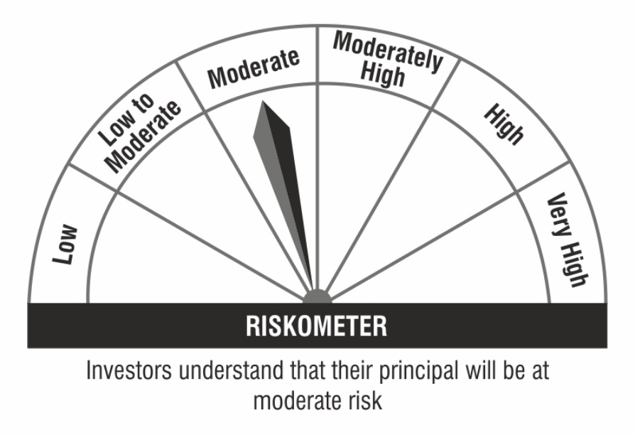

 | Benchmark Riskometer:

